Comp LP
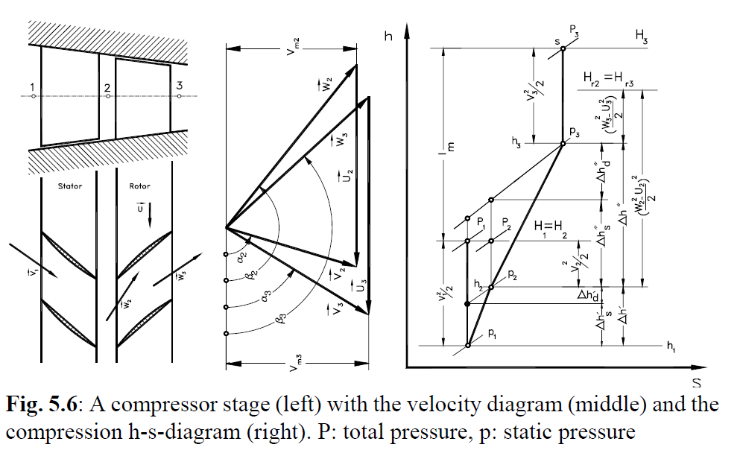
Specification
LP-Comp
 | Mass flow | m_dot | = | 150 | kg/s
 | Inlet static pressure | p_in | = | 98610 | Pa
 | Pressure ratio (static pressure) | PR_LP | = | 1.8048
 | Inlet total temp | T0_in | = | 288.21 | K
 | Exit total temp | T0_out | = | 347.2 | K
 | Inlet mean dia | Dm_in | = | 1.2043 | m
 | Exit mean dia | Dm_out | = | 1.1253 | m
 | Angular Velocity | N | = | 469.35 | rad/s

1 | Estimation no of stgs
a. | Assume:
 | - Vax, rho are const through out the comp
 | - At 1st stg rotor, alpha2=90deg
 | - Dm is constant through out the stg
 | - Comp polytropic Efficiency n_p = 0.9
 | - Stg isentropic Efficiency n_s = 0.9

b. | Select r_hub/r_tip for 1st stg
 | R | 287 | J/kg.K
 | k | 1.4
 | Cp | 1005 | J/kg.K
 |  |  |  | T0_in (degK) | p1 (Pa) | estimated rho (kg/m3) | Dm_in | r_hub/r_tip | h_b | r_tip | N (rad/sec) | N (rpm) | V2ax (or Vax) | U2_tip | W2_tip | M2_tip
 |  |  |  | 288.21 | 98610 | 1.1921475666 | 1.2043 | 0.4 | 0.51612857143 | 0.86021428571 | 469.35 | 4484.2356688 | 64.467229538 | 403.741575 | 408.85606644 | 1.2014645387
 |  |  |  |  |  |  |  | 0.45 | 0.45680344828 | 0.83055172414 |  |  | 72.839597011 | 389.81945172 | 396.56627672 | 1.1653497596
 |  |  |  |  |  |  |  | 0.5 | 0.40143333333 | 0.80286666667 |  |  | 82.886437978 | 376.82547 | 385.8336383 | 1.1338108256
 |  |  |  |  |  |  |  | 0.55 | 0.34963548387 | 0.77696774194 |  |  | 95.165910271 | 364.66980968 | 376.88276767 | 1.107507795
 |  |  |  |  |  |  |  | 0.6 | 0.301075 | 0.7526875 |  |  | 110.51525064 | 353.27387813 | 370.15679595 | 1.0877428528
 |  |  |  |  |  |  |  | 0.65 | 0.25545757576 | 0.72987878788 |  |  | 130.25011682 | 342.56860909 | 366.49467236 | 1.0769813355 |  | r_hub/r_tip = 0.65 is chosen for an estimation
 |  |  |  |  |  |  |  | 0.7 | 0.21252352941 | 0.70841176471 |  |  | 156.56327174 | 332.49306176 | 367.51012799 | 1.0799653537
 |  |  |  |  |  |  |  | 0.75 | 0.17204285714 | 0.68817142857 |  |  | 193.40168861 | 322.99326 | 376.46893519 | 1.1062917068
 |  |  |  |  |  |  |  | 0.8 | 0.13381111111 | 0.66905555556 |  |  | 248.65931393 | 314.021225 | 400.55060124 | 1.1770580966

 |  |  |  |  |  |  |  | r_hub/r_tip |  |  |  |  | V2 (=V2ax=Vax) | U2 (=U) | W2
 |  |  |  |  |  |  | at Rm | 0.65 |  |  |  |  | 130.25011682 | 282.6191025 | 311.18909047 | W2^2=V2^2+U2^2 due to alpha2=90deg

c. | deltaT0 across the 1st stage
 | List of eqs:
 | (1) at station 2: beta2=90+atan(U2/V2)
 | (2) W3=0.72*W2 (deHatler) |  |  |  |  |  | W2 | W3 (eq2) | beta2 (eq1) | beta3 (eq3) | alpha3 (eq4) | deltaT0_23 (eq5) | alpha1 (=alpha3) | V1 (eq6) | V3
 | (3) at station 3: Vx=W3*cos(beta3-90) |  |  |  |  |  | 311.18909047 | 224.05614514 | 155.28963248 | 144.45586936 | 52.407666046 | 28.261329282 | 52.407666046 | 164.43888333 | 164.43888333
 | (4) at station 3: tan(alpha3)=Vx/(U3-W3*sin(beta-90))
 | (5) stg total temp increase (Euler eq)
 | deltaT0_23 = lamda*U*Vx/Cp*(tan(beta2-90)-tan(beta3-90)) [set lamda = 1 for this estimation]
 | (6) V1 = Vx/sin(alpha1)

d. | Estimate the compressor output
 | Assume:
 | (1) Assume the comp exit angle follow the exit angle in stage 1 (alpha3=52.41)
 | (2) Vx is constant

 | Inlet velocity | V_in | = | 164.43888333
 | Total inlet temp | T0_out | = | 288.21
 | Static Inlet temp | T_in | = | 274.75719087
 | Outlet velocity | V_out=Vx/sin(alpha3) |  |  | = | 164.43888333
 | Total outlet temp | T0_out | = | 347.2
 | Static outlet temp | T_out | = | 333.78722899

 | Re-check
 | Inlet vel | V_in | = | Vx/sin(alpha1) = Vx/sin(alpha3) |  |  | = | 164.43888333 |  |  |  |  | Rho_in | 1.250518136
 | Total Inlet temp | T0_in | = | 288.21 |  |  |  |  |  |  |  |  | Rho_out | 1.8577977314
 | Outlet vel | V_out | = | 164.43888333
 | Total Outlet temp | T0_out | = | 347.2
 | Total Inlet pressure | P0_in | = | 109421.57705
 | Total Outlet pressure | P0_out | = | 203088.88928

 |  | P0_out |  | T0_out | ^k/(k-1)
 |  | P0_in |  | T0_in
 |  | = |  | =
 |  | 1.8560223199 |  | 1.9188779342

 |  | polytropic eff | = | 0.94889846428

d. | deltaT0 across the compressor

 |  | deltaT0_comp | = | 58.99

e. | No of stage estimation

 |  | no of stg | = | deltaT0_comp/deltaT0_stg
 |  |  | = | 2.0873045076
 | Select | no of stg | = | 3 |  | lamda
 | Set | deltaT0_stg1 | = | 17 | K | 0.98
 |  | deltaT0_stg2 | = | 21 | K | 0.93
 |  | deltaT0_stg3 | = | 21 | K | 0.88

2 | Recalculate stage 1 parameters
 |  |  |  |  |  | Dm | 1.2043 |  | Vx | 130.25 |  | T01 | 288.21 |  | tan(beta2-90)-tan(beta3-90) |  | = | 0.47359778504
 |  |  |  |  |  | N | 469.35 |  | U | 282.6191025 |  | T03 | 305.21 |  | tan(beta2-90) |  | = | 2.1698203647
 |  |  |  |  |  |  |  |  |  |  |  | P1 | 98610 |  | tan(beta3-90) |  | = | 1.6962225796

 |  |  |  |  |  |  |  |  | alpha2 | 90
 |  |  |  |  |  |  |  |  | beta2 | 155.28965203
 |  |  |  |  |  |  |  |  | beta3 | 149.50889398
 |  |  |  |  |  |  |  |  | alpha3 | 64.645014652
 |  |  |  |  |  |  |  | Assume | alpha1=alpha3 | 64.645014652

 |  |  |  |  |  |  |  |  | V2 | 130.25
 |  |  |  |  |  |  |  |  | W2 | 311.18904158
 |  |  |  |  |  |  |  |  | V3 | 144.11883587
 |  |  |  |  |  |  |  |  | W3 | 256.469197
 |  |  |  |  |  |  |  |  | V1 | 144.11883587
 |  |  |  |  |  |  |  |  | defelection in rotor blades |  |  | 5.7807580473
 |  |  |  |  |  |  |  |  | diffusion |  |  | 0.82415883189
 |  |  |  |  |  |  |  |  | degree of reaction |  |  | 0.89086705223
 |  |  |  |  |  |  |  |  | delta whirl velocity |  |  | 61.686111502

 |  |  |  |  |  |  |  |  |  |  |  | T1 | 277.87654783 |  | rho1 | 1.2364802026 |  |  | T02=T01 | 288.21 | rho2 | 1.250898209
 |  |  |  |  |  |  |  |  |  |  |  | T3 | 294.87654783 |  | rho3 | 1.3775541668 |  |  | T2 | 279.7696704
 |  |  |  |  |  |  |  |  |  |  |  | P01 | 111450.99457 |  |  |  |  |  | P2 | 100439.48995
 |  |  |  |  |  |  |  |  |  |  |  |  |  |  |  |  |  |  | P02 | 111050.2731
 |  |  |  |  |  |  |  |  |  |  |  | Pressure ratio
 |  |  |  |  |  |  |  |  |  |  |  |  | Assume the isentropy eff
 |  |  |  |  |  |  |  |  |  |  |  |  |  | n_s | 0.82062087932

 |  |  |  |  |  |  |  |  |  |  |  |  | P03/P01 | 1.1800535216

 |  |  |  |  |  |  |  |  |  |  |  | P03 | 131518.13863
 |  |  |  |  |  |  |  |  |  |  |  | P3 | 116581.81573
3 | 2nd stage
 |  | deltaT0_stg2 | = | 21 | K
 |  | lamda (work done factor) | = | 0.93
 |  | degree of reaction | = | 0.75

 |  |  |  |  |  | Dm | 1.1648 |  | Vx | 130.25 |  | T01 | 305.21 |  | tan(beta2-90)-tan(beta3-90) |  | = | 0.63739182268
 |  |  |  |  |  | N | 469.35 |  | U | 273.34944 |  | T03 | 326.21 |  | tan(beta2-90)+tan(beta3-90) |  | = | 3.1479781958
 |  |  |  |  |  |  |  |  |  |  |  | P1 | 116581.81573 |  | tan(beta2-90) |  | = | 1.8926850092
 |  |  |  |  |  |  |  |  |  |  |  |  |  |  | tan(beta3-90) |  | = | 1.2552931865

 |  |  |  |  |  |  |  |  | alpha2 | 78.355803598
 |  |  |  |  |  |  |  |  | beta2 | 152.18179308
 |  |  |  |  |  |  |  |  | beta3 | 141.48433924
 |  |  |  |  |  |  |  |  | alpha3 | 49.836730024
 |  |  |  |  |  |  |  |  | alpha1=alpha3 of 1st stg | 64.645014652

 |  |  |  |  |  |  |  |  | V2 | 132.9840671
 |  |  |  |  |  |  |  |  | W2 | 278.81583288
 |  |  |  |  |  |  |  |  | V3 | 170.38643225
 |  |  |  |  |  |  |  |  | W3 | 209.04053693
 |  |  |  |  |  |  |  |  | V1 | 144.11883587
 |  |  |  |  |  |  |  |  | defelection in rotor blades |  |  | 10.697453843
 |  |  |  |  |  |  |  |  | diffusion |  |  | 0.74974414035
 |  |  |  |  |  |  |  |  | degree of reaction |  |  | 0.75
 |  |  |  |  |  |  |  |  | delta whirl velocity |  |  | 83.020284904

 |  |  |  |  |  |  |  |  |  |  |  | T1 | 294.87654783 |  | rho1 | 1.3775541668 |  |  | T02=T01 | 305.21 | rho2 | 1.395552342
 |  |  |  |  |  |  |  |  |  |  |  | T3 | 311.7664496 |  | rho3 | 1.5584239531 |  |  | T2 | 296.41161089
 |  |  |  |  |  |  |  |  |  |  |  | P01 | 131518.13863 |  |  |  |  |  | P2 | 118719.82241
 |  |  |  |  |  |  |  |  |  |  |  |  |  |  |  |  |  |  | P02 | 131059.82799
 |  |  |  |  |  |  |  |  |  |  |  | Pressure ratio
 |  |  |  |  |  |  |  |  |  |  |  |  | Assume the isentropy eff
 |  |  |  |  |  |  |  |  |  |  |  |  |  | n_s | 0.92968731876

 |  |  |  |  |  |  |  |  |  |  |  |  | P03/P01 | 1.2423640061

 |  |  |  |  |  |  |  |  |  |  |  | P03 | 163393.40159
 |  |  |  |  |  |  |  |  |  |  |  | P3 | 139443.05491

4 | 3rd stage
 |  | deltaT0_stg2 | = | 21 | K
 |  | lamda (work done factor) | = | 0.88
 |  | degree of reaction | = | 0.75 | This needs to be adjusted to get P03 converged

 |  |  |  |  |  | Dm | 1.1253 |  | Vx | 130.25 |  | T01 | 326.21 |  | tan(beta2-90)-tan(beta3-90) |  | = | 0.69725206147
 |  |  |  |  |  | N | 469.35 |  | U | 264.0797775 |  | T03 | 347.21 |  | tan(beta2-90)+tan(beta3-90) |  | = | 3.0412258445
 |  |  |  |  |  |  |  |  |  |  |  | P1 | 139443.05491 |  | tan(beta2-90) |  | = | 1.869238953
 |  |  |  |  |  |  |  |  |  |  |  |  |  |  | tan(beta3-90) |  | = | 1.1719868915

 |  |  |  |  |  |  |  |  | alpha2 | 81.003236187
 |  |  |  |  |  |  |  |  | beta2 | 151.88561308
 |  |  |  |  |  |  |  |  | beta3 | 139.55259065
 |  |  |  |  |  |  |  |  | alpha3 | 49.432545015
 |  |  |  |  |  |  |  |  | alpha1=alpha3 of 1st stg | 49.836730024

 |  |  |  |  |  |  |  |  | V2 | 131.87074152
 |  |  |  |  |  |  |  |  | W2 | 276.119379
 |  |  |  |  |  |  |  |  | V3 | 171.40994645
 |  |  |  |  |  |  |  |  | W3 | 200.66758492
 |  |  |  |  |  |  |  |  | V1 | 170.38643225
 |  |  |  |  |  |  |  |  | defelection in rotor blades |  |  | 12.333022427
 |  |  |  |  |  |  |  |  | diffusion |  |  | 0.72674212746
 |  |  |  |  |  |  |  |  | degree of reaction |  |  | 0.75
 |  |  |  |  |  |  |  |  | delta whirl velocity |  |  | 90.817081007

 |  |  |  |  |  |  |  |  |  |  |  | T1 | 311.7664496 |  | rho1 | 1.5584239531 |  |  | T02=T01 | 326.21 | rho2 | 1.6318148619
 |  |  |  |  |  |  |  |  |  |  |  | T3 | 332.59240311 |  | rho3 | 1.8644578884 |  |  | T2 | 317.5583122
 |  |  |  |  |  |  |  |  |  |  |  | P01 | 163393.40159 |  | P03 (based on rh03) |  | 205360.16329 |  | P2 | 148722.35916
 |  |  |  |  |  |  |  |  |  |  |  |  |  |  |  |  |  |  | P02 | 162910.90165
 |  |  |  |  |  |  |  |  |  |  |  | Pressure ratio
 |  |  |  |  |  |  |  |  |  |  |  |  | Assume the isentropy eff
 |  |  |  |  |  |  |  |  |  |  |  |  |  | n_s | 0.9074165906

 |  |  |  |  |  |  |  |  |  |  |  |  | P03/P01 | 1.2198229313

 |  |  |  |  |  |  |  |  |  |  |  | P03 | 199311.01809
 |  |  |  |  |  |  |  |  |  |  |  | P3 | 177970

